Photo list
No. | Preview | Filename | Capture time (camera time) | Date source | Your note
1 |  | werkbank.jpg | 2013-12-07 12:22:07 | EXIF DateTimeOriginal · camera time | Workbench documented. Capture time read from EXIF.
2 | 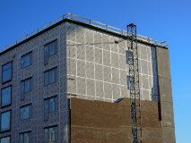 | baustelle.jpg | Unknown | No valid EXIF capture time | Construction site documented. Capture time unavailable.

